Itinerary
Flight Details
 |  | To Norway |  |  |  |  |  |  | From Norway
 | Confirmation # | Flight # | Departure Date | Departure Time | London Arrival | Flight # | London Departure | Arrival Time | Flight # | Departure Date | Departure Time | London Arrival | Flight # | London Departure | Arrival Time
Donna |  | BA170 | 2026-08-21 | 21:45:00 | 10:05:00 | BA782 | 13:10:00 | 16:20:00 | BA785 | 2026-08-30 | 8:00:00 | 9:30:00 | BA171 | 16:40:00 | 19:55:00
Will + Mel |  | BA218 | 2026-08-21 | 18:40:00 | 10:35:00 | BA782 | 13:10:00 | 16:20:00 | BA785 | 2026-08-30 | 8:00:00 | 9:30:00 | BA219 | 13:35:00 | 16:30:00
Jack + Kara |  | BA190 | 2026-08-21 | 17:55:00 | 9:15:00 | BA782 | 13:10:00 | 16:20:00 | BA785 | 2026-08-30 | 8:00:00 | 9:30:00 | BA191 | 11:10:00 | 15:35:00

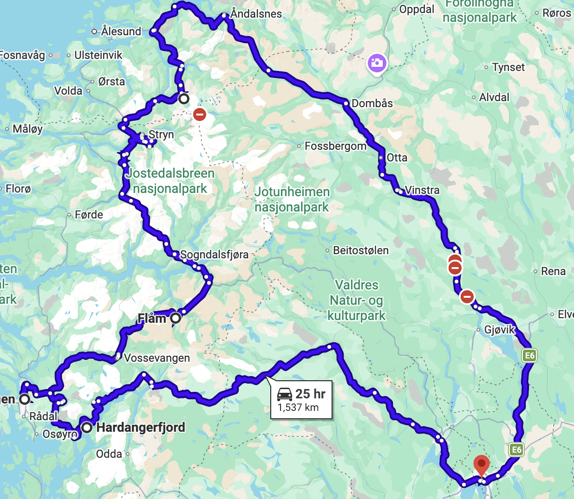
Drivining Itinterary
Day # | Date | Start Day | End Day | Drive Time
1 | 8/22/2026 | Oslo | Oslo | 0
2 | 8/23/2026 | Oslo | Geiranger | 6 - 7 hr drive
3 | 8/24/2026 | Geiranger | Geiranger | 0
4 | 8/25/2026 | Geiranger | Flåm | 5 hr drive
5 | 8/26/2026 | Flam | Bergen | 3 hr drive
6 | 8/27/2026 | Bergen | Hardangerfjord | 2 hr drive
7 | 8/28/2026 | Hardangerfjord | Oslo | 5 hr drive
8 | 8/29/2026 | Oslo | Oslo | 0
 | 8/30/2026 | N/A

AirBnb Details
 |  |  | Status | Check In | Check Out
Oslo - Night 1
https://www.airbnb.com/rooms/1477463745983939705?adults=5&check_in=2026-08-22&check_out=2026-08-23&search_mode=regular_search&source_impression_id=p3_1776040464_P3hkcQBx4LHUU0Ir&previous_page_section_name=1000&federated_search_id=8878c9ca-d3bc-4c9d-9cce-81d1ff05b0ff | 505 | Night one | Booked | 2026-08-22 | 2026-08-23

Geiranger - Night 2&3
https://www.airbnb.com/rooms/1436430596252110807?adults=5&check_in=2026-08-23&check_out=2026-08-25&guests=5&search_mode=regular_search&source_impression_id=p3_1774738606_P3T7lNW-9FcJsWPW&previous_page_section_name=1000&federated_search_id=ef6d464b-7eed-44ff-9d55-0061852528d3 | $784 | cabin right in Geiranger | Pending | 2026-08-23 | 2026-08-25

Flam Night 4
https://www.airbnb.com/rooms/1614655812001017749?adults=5&check_in=2026-08-25&check_out=2026-08-26&guests=6&search_mode=regular_search&source_impression_id=p3_1776038332_P3IjZjSuaIjXxWzG&previous_page_section_name=1000&federated_search_id=bf3fe083-5426-49af-ba86-41d6648ae797 | 303 | This one | Pending | 2026-08-25 | 2026-08-26

Bergen Night 5
https://www.airbnb.com/rooms/1370176363158416362?adults=5&check_in=2026-08-26&check_out=2026-08-27&guests=6&search_mode=regular_search&source_impression_id=p3_1776038756_P3hSjgNanBG6ultQ&previous_page_section_name=1000&federated_search_id=586fb026-decc-4587-b914-a3e1127c8200 | 635 | Green Door | Booked | 2026-08-26 | 2026-08-27

Hardangerfjord
https://www.airbnb.com/rooms/939025188962404335?adults=5&check_in=2026-08-27&check_out=2026-08-28&search_mode=regular_search&source_impression_id=p3_1776039467_P3VoK9j9ZnOYiUT9&previous_page_section_name=1000&federated_search_id=5d1c9d70-7e88-4e89-be29-4cb26d2e0a64 | 321 | Jacks | Booked | 2026-08-27 | 2026-08-28

Oslo Night 7&8
https://www.airbnb.com/rooms/23335943?adults=5&check_in=2026-08-28&check_out=2026-08-30&guests=6&search_mode=regular_search&source_impression_id=p3_1776040189_P3YIchwUz_DeiyFS&previous_page_section_name=1000&federated_search_id=88b46b93-3552-4332-b7c5-3c5c08fc048f | 762 | This one | Pending | 2026-08-28 | 2026-08-30

